records
Sample Measurement Record
Mano Engineering LLC |  |  |  |  |  | Part No. 6328155A
No. | A | B | C | D | E
1 | 0.27 | 0.1365 | 0.868 | 0.1065 | 0.3925
2 | 0.269 | 0.1365 | 0.873 | 0.1075 | 0.4055
3 | 0.27 | 0.1365 | 0.867 | 0.107 | 0.387
4 | 0.269 | 0.1365 | 0.8665 | 0.107 | 0.391
5 | 0.2705 | 0.1365 | 0.863 | 0.108 | 0.387

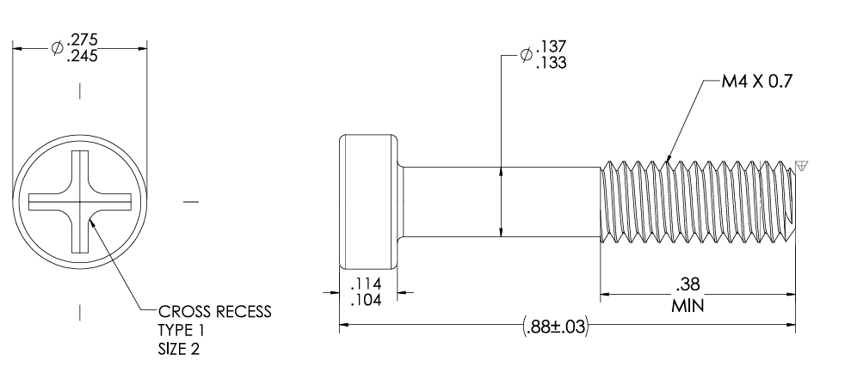

A
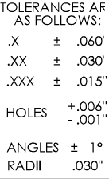
B

E
D
C

